Sheet4
key_resp.corr | key_resp.rt | sequential | random
1 | 2.185974791 | 2.185974791 | 0.178241 | average of seq. | 0.4867610984
1 | 1.047846124 | 1.047846124 | 0.533628166 | average of ran. | 0.6698660132
1 | 0.915747041 | 0.915747041 | 0.464628958
1 | 0.732359499 | 0.732359499 | 0.455654582
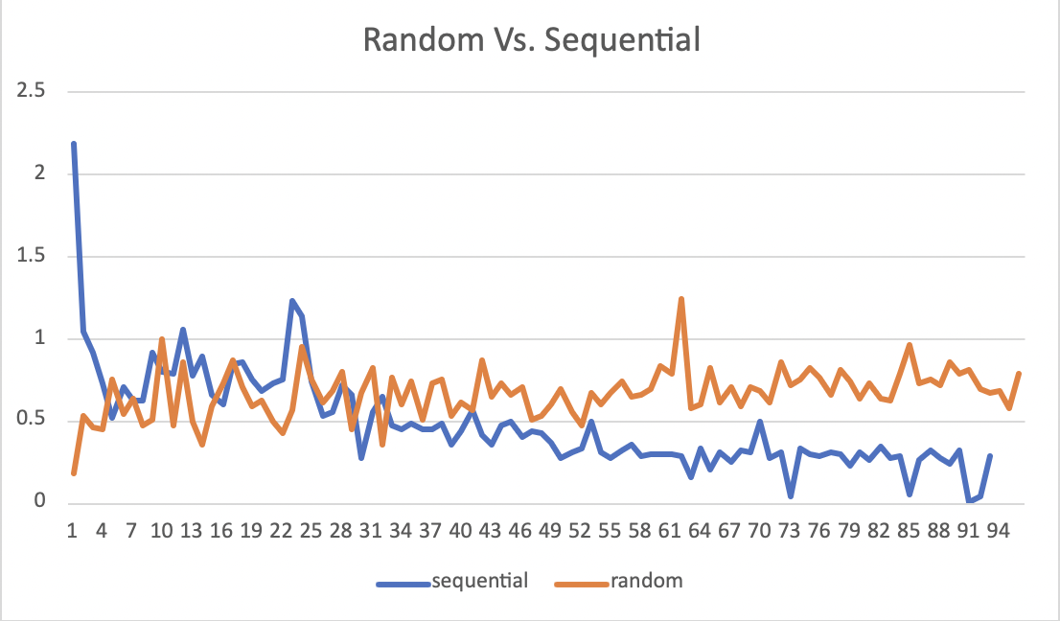
0 | 0.687338208 | 0.516808833 | 0.757783249
1 | 0.516808833 | 0.705360333 | 0.547720666
1 | 0.705360333 | 0.623706624 | 0.6320225
1 | 0.623706624 | 0.625678791 | 0.476893333
0 | 0.619029707 | 0.914245499 | 0.503345083
1 | 0.625678791 | 0.7968695 | 0.994715499
1 | 0.914245499 | 0.785094208 | 0.468363416
1 | 0.7968695 | 1.060192 | 0.860165999
1 | 0.785094208 | 0.773641832 | 0.492374791
1 | 1.060192 | 0.888407583 | 0.359415958
1 | 0.773641832 | 0.657641916 | 0.590759124
1 | 0.888407583 | 0.599112208 | 0.731761791
1 | 0.657641916 | 0.853007749 | 0.865120499
1 | 0.599112208 | 0.858632458 | 0.704146374
1 | 0.853007749 | 0.758053833 | 0.595192791
1 | 0.858632458 | 0.681658375 | 0.623918999
1 | 0.758053833 | 0.731826457 | 0.502469374
1 | 0.681658375 | 0.7580805 | 0.425999458
1 | 0.731826457 | 1.233725291 | 0.572811791
1 | 0.7580805 | 1.133434041 | 0.958134458
1 | 1.233725291 | 0.738317291 | 0.748793541
1 | 1.133434041 | 0.529750083 | 0.614643833
1 | 0.738317291 | 0.555409583 | 0.682477291
1 | 0.529750083 | 0.723268416 | 0.795437749
1 | 0.555409583 | 0.654769541 | 0.453420999
1 | 0.723268416 | 0.279260958 | 0.668306832
1 | 0.654769541 | 0.5501175 | 0.821527249
1 | 0.279260958 | 0.649861374 | 0.353521999
1 | 0.5501175 | 0.478574083 | 0.764278499
1 | 0.649861374 | 0.444695957 | 0.598242832
1 | 0.478574083 | 0.487919041 | 0.746528208
1 | 0.444695957 | 0.455479875 | 0.509020124
1 | 0.487919041 | 0.450569958 | 0.736170583
1 | 0.455479875 | 0.479557332 | 0.752443124
1 | 0.450569958 | 0.357803916 | 0.526911875
1 | 0.479557332 | 0.43803875 | 0.614734541
1 | 0.357803916 | 0.568250166 | 0.565596499
1 | 0.43803875 | 0.418266791 | 0.868841916
1 | 0.568250166 | 0.352063874 | 0.650055833
1 | 0.418266791 | 0.478907249 | 0.735249874
1 | 0.352063874 | 0.491879458 | 0.665489791
1 | 0.478907249 | 0.3979435 | 0.709085708
1 | 0.491879458 | 0.432883999 | 0.509083833
1 | 0.3979435 | 0.429177333 | 0.531478083
1 | 0.432883999 | 0.367730082 | 0.604353582
1 | 0.429177333 | 0.280204583 | 0.695765916
1 | 0.367730082 | 0.315360374 | 0.55002775
1 | 0.280204583 | 0.335251749 | 0.477359666
1 | 0.315360374 | 0.492207125 | 0.672316708
1 | 0.335251749 | 0.305240457 | 0.601420374
1 | 0.492207125 | 0.275716041 | 0.667619875
1 | 0.305240457 | 0.324370291 | 0.741510541
1 | 0.275716041 | 0.353167874 | 0.647646541
1 | 0.324370291 | 0.289600166 | 0.666140916
1 | 0.353167874 | 0.299794125 | 0.689817624
1 | 0.289600166 | 0.298958708 | 0.832920374
1 | 0.299794125 | 0.293912791 | 0.793270582
1 | 0.298958708 | 0.291064832 | 1.239853166
1 | 0.293912791 | 0.157703416 | 0.574827624
1 | 0.291064832 | 0.331526541 | 0.597256666
1 | 0.157703416 | 0.2002905 | 0.826074333
1 | 0.331526541 | 0.312470791 | 0.612380333
1 | 0.2002905 | 0.257007166 | 0.7104865
1 | 0.312470791 | 0.317488458 | 0.590594041
1 | 0.257007166 | 0.315923833 | 0.708714749
1 | 0.317488458 | 0.495152458 | 0.685989416
1 | 0.315923833 | 0.2720755 | 0.618378125
1 | 0.495152458 | 0.310293833 | 0.860826958
1 | 0.2720755 | 0.038850166 | 0.71668225
1 | 0.310293833 | 0.328556958 | 0.749349708
1 | 0.038850166 | 0.300753999 | 0.819376874
1 | 0.328556958 | 0.283657416 | 0.765506624
1 | 0.300753999 | 0.315282624 | 0.658699666
1 | 0.283657416 | 0.298951708 | 0.816239499
1 | 0.315282624 | 0.233450541 | 0.736865708
1 | 0.298951708 | 0.307459541 | 0.635391249
1 | 0.233450541 | 0.262831416 | 0.731778541
1 | 0.307459541 | 0.345202291 | 0.632287749
1 | 0.262831416 | 0.278518707 | 0.623102457
1 | 0.345202291 | 0.287852375 | 0.792123458
1 | 0.278518707 | 0.053547791 | 0.965338458
1 | 0.287852375 | 0.268108458 | 0.731809749
1 | 0.053547791 | 0.319885333 | 0.748459999
1 | 0.268108458 | 0.277744708 | 0.724638249
1 | 0.319885333 | 0.241134041 | 0.858761332
1 | 0.277744708 | 0.323799125 | 0.790123916
1 | 0.241134041 | 0.0061712069992 | 0.809923291
1 | 0.323799125 | 0.041634499 | 0.695824332
1 | 0.0061712069992 | 0.283006041 | 0.672602457
1 | 0.041634499 |  | 0.683873541
1 | 0.283006041 |  | 0.581782082
1 | 0.178241 |  | 0.784435041
0 | 0.244853958
1 | 0.533628166
1 | 0.464628958
1 | 0.455654582
1 | 0.757783249
1 | 0.547720666
1 | 0.6320225
1 | 0.476893333
1 | 0.503345083
1 | 0.994715499
1 | 0.468363416
1 | 0.860165999
1 | 0.492374791
1 | 0.359415958
1 | 0.590759124
1 | 0.731761791
1 | 0.865120499
1 | 0.704146374
1 | 0.595192791
1 | 0.623918999
1 | 0.502469374
1 | 0.425999458
1 | 0.572811791
1 | 0.958134458
1 | 0.748793541
1 | 0.614643833
1 | 0.682477291
1 | 0.795437749
1 | 0.453420999
1 | 0.668306832
1 | 0.821527249
1 | 0.353521999
1 | 0.764278499
1 | 0.598242832
1 | 0.746528208
1 | 0.509020124
1 | 0.736170583
1 | 0.752443124
1 | 0.526911875
1 | 0.614734541
1 | 0.565596499
1 | 0.868841916
1 | 0.650055833
1 | 0.735249874
1 | 0.665489791
1 | 0.709085708
1 | 0.509083833
1 | 0.531478083
1 | 0.604353582
1 | 0.695765916
1 | 0.55002775
1 | 0.477359666
1 | 0.672316708
1 | 0.601420374
1 | 0.667619875
1 | 0.741510541
1 | 0.647646541
1 | 0.666140916
1 | 0.689817624
1 | 0.832920374
1 | 0.793270582
1 | 1.239853166
1 | 0.574827624
1 | 0.597256666
1 | 0.826074333
1 | 0.612380333
1 | 0.7104865
1 | 0.590594041
1 | 0.708714749
1 | 0.685989416
1 | 0.618378125
1 | 0.860826958
1 | 0.71668225
1 | 0.749349708
1 | 0.819376874
1 | 0.765506624
1 | 0.658699666
1 | 0.816239499
1 | 0.736865708
1 | 0.635391249
1 | 0.731778541
1 | 0.632287749
1 | 0.623102457
1 | 0.792123458
1 | 0.965338458
1 | 0.731809749
1 | 0.748459999
1 | 0.724638249
1 | 0.858761332
1 | 0.790123916
1 | 0.809923291
1 | 0.695824332
1 | 0.672602457
1 | 0.683873541
1 | 0.581782082
1 | 0.784435041

